Daily Power Station Chart_14-01
Plant_15/01/2025Chart

Plant:odco1 |  |  | Installed Capacity:111.180kWp
Today Yield(kWh):498.400kWh |  | Today Earning:199360.000TND |  | Today Full Load Hours(h):4.48h

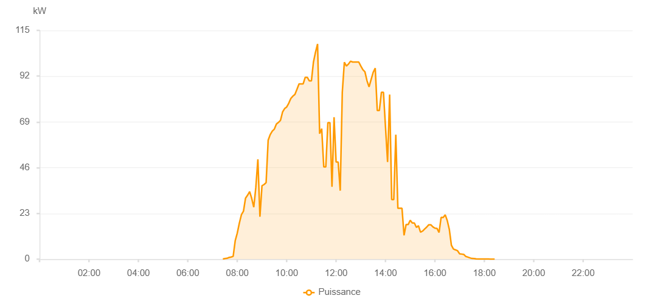

Number | Time | Working State | PV(W) | Instantaneous Radiation(W/㎡)
1 | 07:25:00 | Online | 70.00000 | 0
2 | 07:30:00 | Online | 300.00000 | 0
3 | 07:35:00 | Online | 430.00000 | 2.00000
4 | 07:40:00 | Online | 830.00000 | 4.00000
5 | 07:45:00 | Online | 1090.00000 | 8.00000
6 | 07:50:00 | Online | 1410.00000 | 13.00000
7 | 07:55:00 | Online | 9330.00000 | 20.00000
8 | 08:00:00 | Online | 13120.00000 | 154.00000
9 | 08:05:00 | Online | 18100.00000 | 189.00000
10 | 08:10:00 | Online | 22330.00000 | 230.00000
11 | 08:15:00 | Online | 24090.00000 | 264.00000
12 | 08:20:00 | Online | 30620.00000 | 292.00000
13 | 08:25:00 | Online | 32150.00000 | 338.00000
14 | 08:30:00 | Online | 33940.00000 | 348.00000
15 | 08:35:00 | Online | 30590.00000 | 387.00000
16 | 08:40:00 | Online | 26130.00000 | 102.00000
17 | 08:45:00 | Online | 36020.00000 | 457.00000
18 | 08:50:00 | Online | 50170.00000 | 463.00000
19 | 08:55:00 | Online | 21340.00000 | 418.00000
20 | 09:00:00 | Online | 36920.00000 | 159.00000
21 | 09:05:00 | Online | 37520.00000 | 506.00000
22 | 09:10:00 | Online | 38490.00000 | 526.00000
23 | 09:15:00 | Online | 59820.00000 | 545.00000
24 | 09:20:00 | Online | 62620.00000 | 562.00000
25 | 09:25:00 | Online | 64380.00000 | 586.00000
26 | 09:30:00 | Online | 65390.00000 | 603.00000
27 | 09:35:00 | Online | 67930.00000 | 618.00000
28 | 09:40:00 | Online | 68770.00000 | 635.00000
29 | 09:45:00 | Online | 69830.00000 | 652.00000
30 | 09:50:00 | Online | 73980.00000 | 668.00000
31 | 09:55:00 | Online | 75710.00000 | 681.00000
32 | 10:00:00 | Online | 76510.00000 | 696.00000
33 | 10:05:00 | Online | 78370.00000 | 713.00000
34 | 10:10:00 | Online | 80750.00000 | 725.00000
35 | 10:15:00 | Online | 81950.00000 | 741.00000
36 | 10:20:00 | Online | 82850.00000 | 755.00000
37 | 10:25:00 | Online | 85450.00000 | 786.00000
38 | 10:30:00 | Online | 88110.00000 | 242.00000
39 | 10:35:00 | Online | 88110.00000 | 242.00000
40 | 10:40:00 | Online | 88110.00000 | 866.00000
41 | 10:45:00 | Online | 91410.00000 | 917.00000
42 | 10:50:00 | Online | 91410.00000 | 917.00000
43 | 10:55:00 | Online | 89600.00000 | 553.00000
44 | 11:00:00 | Online | 89600.00000 | 553.00000
45 | 11:05:00 | Online | 99110.00000 | 878.00000
46 | 11:10:00 | Online | 104050.00000 | 896.00000
47 | 11:15:00 | Online | 108210.00000 | 896.00000
48 | 11:20:00 | Online | 63080.00000 | 896.00000
49 | 11:25:00 | Online | 65590.00000 | 229.00000
50 | 11:30:00 | Online | 46390.00000 | 213.00000
51 | 11:35:00 | Online | 46390.00000 | 213.00000
52 | 11:40:00 | Online | 68630.00000 | 876.00000
53 | 11:45:00 | Online | 68630.00000 | 255.00000
54 | 11:50:00 | Online | 36370.00000 | 862.00000
55 | 11:55:00 | Online | 71370.00000 | 892.00000
56 | 12:00:00 | Online | 48830.00000 | 896.00000
57 | 12:05:00 | Online | 48830.00000 | 255.00000
58 | 12:10:00 | Online | 34450.00000 | 896.00000
59 | 12:15:00 | Online | 83760.00000 | 896.00000
60 | 12:20:00 | Online | 99020.00000 | 876.00000
61 | 12:25:00 | Online | 97110.00000 | 882.00000
62 | 12:30:00 | Online | 98080.00000 | 882.00000
63 | 12:35:00 | Online | 99520.00000 | 165.00000
64 | 12:40:00 | Online | 99100.00000 | 867.00000
65 | 12:45:00 | Online | 99100.00000 | 1065.00000
66 | 12:50:00 | Online | 99100.00000 | 1065.00000
67 | 12:55:00 | Online | 99100.00000 | 1065.00000
68 | 13:00:00 | Online | 97080.00000 | 882.00000
69 | 13:05:00 | Online | 95230.00000 | 171.00000
70 | 13:10:00 | Online | 94180.00000 | 858.00000
71 | 13:15:00 | Online | 89680.00000 | 171.00000
72 | 13:20:00 | Online | 86590.00000 | 771.00000
73 | 13:25:00 | Online | 90270.00000 | 171.00000
74 | 13:30:00 | Online | 93920.00000 | 171.00000
75 | 13:35:00 | Online | 96020.00000 | 892.00000
76 | 13:40:00 | Online | 74700.00000 | 892.00000
77 | 13:45:00 | Online | 74700.00000 | 858.00000
78 | 13:50:00 | Online | 83880.00000 | 112.00000
79 | 13:55:00 | Online | 83880.00000 | 892.00000
80 | 14:00:00 | Online | 66230.00000 | 141.00000
81 | 14:05:00 | Online | 48820.00000 | 892.00000
82 | 14:10:00 | Online | 82710.00000 | 892.00000
83 | 14:15:00 | Online | 29930.00000 | 165.00000
84 | 14:20:00 | Online | 29930.00000 | 165.00000
85 | 14:25:00 | Online | 62560.00000 | 558.00000
86 | 14:30:00 | Online | 25560.00000 | 185.00000
87 | 14:35:00 | Online | 25560.00000 | 185.00000
88 | 14:40:00 | Online | 25560.00000 | 165.00000
89 | 14:45:00 | Online | 11980.00000 | 147.00000
90 | 14:50:00 | Online | 17390.00000 | 171.00000
91 | 14:55:00 | Online | 17390.00000 | 171.00000
92 | 15:00:00 | Online | 19570.00000 | 171.00000
93 | 15:05:00 | Online | 18160.00000 | 171.00000
94 | 15:10:00 | Online | 18160.00000 | 141.00000
95 | 15:15:00 | Online | 15990.00000 | 141.00000
96 | 15:20:00 | Online | 16800.00000 | 141.00000
97 | 15:25:00 | Online | 13570.00000 | 112.00000
98 | 15:30:00 | Online | 14130.00000 | 110.00000
99 | 15:35:00 | Online | 15160.00000 | 149.00000
100 | 15:40:00 | Online | 16130.00000 | 149.00000
101 | 15:45:00 | Online | 17290.00000 | 150.00000
102 | 15:50:00 | Online | 17290.00000 | 143.00000
103 | 15:55:00 | Online | 16250.00000 | 124.00000
104 | 16:00:00 | Online | 15580.00000 | 113.00000
105 | 16:05:00 | Online | 15460.00000 | 121.00000
106 | 16:10:00 | Online | 13400.00000 | 112.00000
107 | 16:15:00 | Online | 20980.00000 | 118.00000
108 | 16:20:00 | Online | 20930.00000 | 121.00000
109 | 16:25:00 | Online | 22300.00000 | 118.00000
110 | 16:30:00 | Online | 19350.00000 | 98.00000
111 | 16:35:00 | Online | 14880.00000 | 98.00000
112 | 16:40:00 | Online | 7010.00000 | 55.00000
113 | 16:45:00 | Online | 5080.00000 | 55.00000
114 | 16:50:00 | Online | 4670.00000 | 39.00000
115 | 16:55:00 | Online | 4220.00000 | 34.00000
116 | 17:00:00 | Online | 2690.00000 | 26.00000
117 | 17:05:00 | Online | 2560.00000 | 23.00000
118 | 17:10:00 | Online | 2380.00000 | 19.00000
119 | 17:15:00 | Online | 1360.00000 | 13.00000
120 | 17:20:00 | Online | 1030.00000 | 10.00000
121 | 17:25:00 | Online | 640.00000 | 5.00000
122 | 17:30:00 | Online | 350.00000 | 2.00000
123 | 17:35:00 | Online | 320.00000 | 0
124 | 17:40:00 | Online | 160.00000 | 0
125 | 17:45:00 | Online | 90.00000 | 0
126 | 17:50:00 | Online | 40.00000 | 0
127 | 17:55:00 | Online | 40.00000 | 0
128 | 18:00:00 | Online | 40.00000 | 0
129 | 18:05:00 | Online | 40.00000 | 0
130 | 18:10:00 | Online | 40.00000 | 0
131 | 18:15:00 | Online | 20.00000 | 0
132 | 18:20:00 | Online | 20.00000 | 0
133 | 18:25:00 | Online | 0 | 0
134 | 18:45:00 | Online | 0.00001 | 0.00001

